Analisis de Costos 1
Melissa Molina Corrales Carné : 2013006074

K1 | Costo de asignación | 1
K2 | Costo de comparaciones | 1
K3 | Costo de return | 1
K4 | Costo de indexación | 1
K5 | Costo de suma | 1

 | n1 = 1500 | n2 = 2500 | n3 = 3500 | n4 = 4500 | n5= 5500 | n6= 6500 | n7 = 7500 | n8 = 8500 | n9 = 9500 | n10 = 10500 | n11 = 11500 | n12= 12500 | n13 = 13500 | n14 = 14500 | n15 = 15500 | n16 = 16500 | n17 =17500 | n18 = 18500 | n19 = 19500 | n20 = 20500
Insertion Sort | 6763491 | 12017991 | 18772491 | 27026991 | 36781491 | 48035991 | 60790491 | 75044991 | 90799491 | 108053991 | 126808491 | 147062991 | 168817491 | 192071991 | 216826491 | 243080991 | 270835491 | 300089991 | 330844491 | 363098991

 | n1 = 1500 | n2 = 2500 | n3 = 3500 | n4 = 4500 | n5= 5500 | n6= 6500 | n7 = 7500 | n8 = 8500 | n9 = 9500 | n10 = 10500 | n11 = 11500 | n12= 12500 | n13 = 13500 | n14 = 14500 | n15 = 15500 | n16 = 16500 | n17 =17500 | n18 = 18500 | n19 = 19500 | n20 = 20500
Selection Sort | 6761992.0 | 12015992 | 18769992 | 27023992 | 36777992 | 48031992 | 60785992 | 75039992 | 90793992 | 108047992 | 126801992 | 147055992 | 168809992 | 192063992 | 216817992 | 243071992 | 270825992 | 300079992 | 330833992 | 363087992

 |  |  |  |  | GRAFICOS

Analisis de Costos 2
K1 | Costo de asignación | 2
K2 | Costo de comparaciones | 1
K3 | Costo de return | 2
K4 | Costo de indexación | 1
K5 | Costo de suma y Resta | 2

 | n1 = 1500 | n2 = 2500 | n3 = 3500 | n4 = 4500 | n5= 5500 | n6= 6500 | n7 = 7500 | n8 = 8500 | n9 = 9500 | n10 = 10500 | n11 = 11500 | n12= 12500 | n13 = 13500 | n14 = 14500 | n15 = 15500 | n16 = 16500 | n17 =17500 | n18 = 18500 | n19 = 19500 | n20 = 20500
Insertion Sort | 10146736 | 18028986 | 28161236 | 40543486 | 55175736 | 72057986 | 91190236 | 112572486 | 136204736 | 162086986 | 190219236 | 220601486 | 253233736 | 288115986 | 325248236 | 364630486 | 406262736 | 450144986 | 496277236 | 544659486

 | n1 = 1500 | n2 = 2500 | n3 = 3500 | n4 = 4500 | n5= 5500 | n6= 6500 | n7 = 7500 | n8 = 8500 | n9 = 9500 | n10 = 10500 | n11 = 11500 | n12= 12500 | n13 = 13500 | n14 = 14500 | n15 = 15500 | n16 = 16500 | n17 =17500 | n18 = 18500 | n19 = 19500 | n20 = 20500
Selection Sort | 10145237 | 18026987 | 28158737 | 40540487 | 55172237 | 72053987 | 91185737 | 112567487 | 136199237 | 162080987 | 190212737 | 220594487 | 253226237 | 288107987 | 325239737 | 364621487 | 406253237 | 450134987 | 496266737 | 544648487

 |  |  |  |  | GRAFICOS

Analisis de Costos 3
K1 | Costo de asignación | 3
K2 | Costo de comparaciones | 1
K3 | Costo de return | 3
K4 | Costo de indexación | 1
K5 | Costo de suma y Resta | 3

 | n1 = 1500 | n2 = 2500 | n3 = 3500 | n4 = 4500 | n5= 5500 | n6= 6500 | n7 = 7500 | n8 = 8500 | n9 = 9500 | n10 = 10500 | n11 = 11500 | n12= 12500 | n13 = 13500 | n14 = 14500 | n15 = 15500 | n16 = 16500 | n17 =17500 | n18 = 18500 | n19 = 19500 | n20 = 20500
Insertion Sort | 13529981 | 24039981 | 37549981 | 54059981 | 73569981 | 96079981 | 121589981 | 150099981 | 181609981 | 216119981 | 253629981 | 294139981 | 337649981 | 384159981 | 433669981 | 486179981 | 541689981 | 600199981 | 661709981 | 726219981

 | n1 = 1500 | n2 = 2500 | n3 = 3500 | n4 = 4500 | n5= 5500 | n6= 6500 | n7 = 7500 | n8 = 8500 | n9 = 9500 | n10 = 10500 | n11 = 11500 | n12= 12500 | n13 = 13500 | n14 = 14500 | n15 = 15500 | n16 = 16500 | n17 =17500 | n18 = 18500 | n19 = 19500 | n20 = 20500
Selection Sort | 13528482 | 24037982 | 37547482 | 54056982 | 73566482 | 96075982 | 121585482 | 150094982 | 181604482 | 216113982 | 253623482 | 294132982 | 337642482 | 384151982 | 433661482 | 486170982 | 541680482 | 600189982 | 661699482 | 726208982

 |  |  |  |  |  | GRAFICOS

Analisis de Costos 4
K1 | Costo de asignación | 1
K2 | Costo de comparaciones | 4
K3 | Costo de return | 1
K4 | Costo de indexación | 4
K5 | Costo de suma y Resta | 1

 | n1 = 1500 | n2 = 2500 | n3 = 3500 | n4 = 4500 | n5= 5500 | n6= 6500 | n7 = 7500 | n8 = 8500 | n9 = 9500 | n10 = 10500 | n11 = 11500 | n12= 12500 | n13 = 13500 | n14 = 14500 | n15 = 15500 | n16 = 16500 | n17 =17500 | n18 = 18500 | n19 = 19500 | n20 = 20500
Insertion Sort |  | 16904229 | 30038979 | 46923729 | 67558479 | 91943229 | 120077979 | 151962729 | 187597479 | 226982229 | 270116979 | 317001729 | 367636479 | 422021229 | 480155979 | 542040729 | 607675479 | 677060229 | 750194979 | 827079729

 | n1 = 1500 | n2 = 2500 | n3 = 3500 | n4 = 4500 | n5= 5500 | n6= 6500 | n7 = 7500 | n8 = 8500 | n9 = 9500 | n10 = 10500 | n11 = 11500 | n12= 12500 | n13 = 13500 | n14 = 14500 | n15 = 15500 | n16 = 16500 | n17 =17500 | n18 = 18500 | n19 = 19500 | n20 = 20500
Selection Sort | 16898233 | 30030983 | 46913733 | 67546483 | 91929233 | 120061983 | 151944733 | 187577483 | 226960233 | 270092983 | 316975733 | 367608483 | 421991233 | 480123983 | 542006733 | 607639483 | 677022233 | 750154983 | 827037733 | 907670483

 |  |  |  |  |  | GRAFICOS

 | Insertion Sort
n1 = 1500
n2 = 2500 | 16904229
n3 = 3500 | 30038979
n4 = 4500 | 46923729
n5= 5500 | 67558479
n6= 6500 | 91943229
n7 = 7500 | 120077979
n8 = 8500 | 151962729
n9 = 9500 | 187597479
n10 = 10500 | 226982229
n11 = 11500 | 270116979
n12= 12500 | 317001729
n13 = 13500 | 367636479
n14 = 14500 | 422021229
n15 = 15500 | 480155979
n16 = 16500 | 542040729
n17 =17500 | 607675479
n18 = 18500 | 677060229
n19 = 19500 | 750194979
n20 = 20500 | 827079729

Analisis de Costos 5
A

K1 | Costo de asignación | 5
K2 | Costo de comparaciones | 2
K3 | Costo de return | 5
K4 | Costo de indexación | 2
K5 | Costo de suma y Resta | 5

 | n1 = 1500 | n2 = 2500 | n3 = 3500 | n4 = 4500 | n5= 5500 | n6= 6500 | n7 = 7500 | n8 = 8500 | n9 = 9500 | n10 = 10500 | n11 = 11500 | n12= 12500 | n13 = 13500 | n14 = 14500 | n15 = 15500 | n16 = 16500 | n17 =17500 | n18 = 18500 | n19 = 19500 | n20 = 20500
Insertion Sort | 23676717 | 42068967 | 65711217 | 94603467 | 128745717 | 168137967 | 212780217 | 262672467 | 317814717 | 378206967 | 443849217 | 514741467 | 590883717 | 672275967 | 758918217 | 850810467 | 947952717 | 1050344967 | 1157987217 | 1270879467

 | n1 = 1500 | n2 = 2500 | n3 = 3500 | n4 = 4500 | n5= 5500 | n6= 6500 | n7 = 7500 | n8 = 8500 | n9 = 9500 | n10 = 10500 | n11 = 11500 | n12= 12500 | n13 = 13500 | n14 = 14500 | n15 = 15500 | n16 = 16500 | n17 =17500 | n18 = 18500 | n19 = 19500 | n20 = 20500
Selection Sort | 23673719 | 42064969 | 65706219 | 94597469 | 128738719 | 168129969 | 212771219 | 262662469 | 317803719 | 378194969 | 443836219 | 514727469 | 590868719 | 672259969 | 758901219 | 850792469 | 947933719 | 1050324969 | 1157966219 | 1270857469

 |  |  |  |  |  | GRAFICOS

Codigo de algoritmos
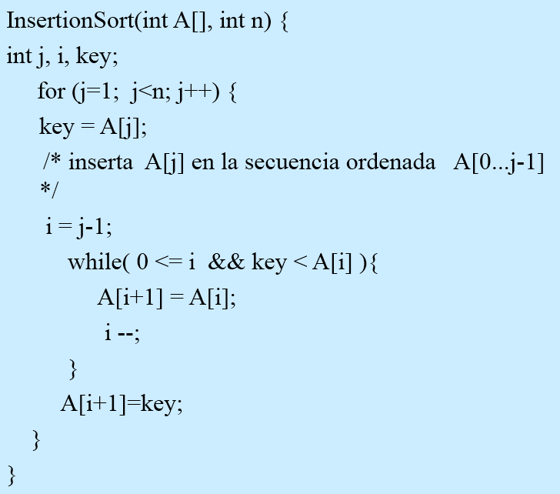
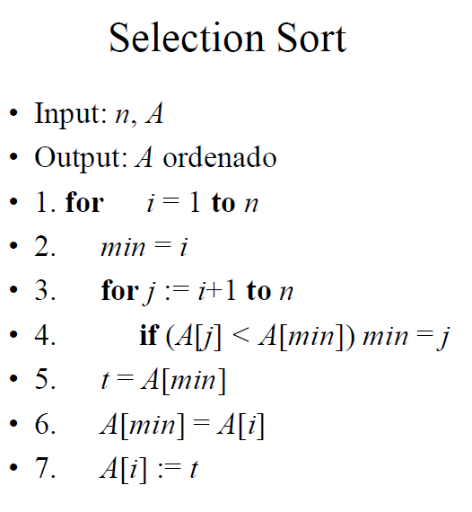
Algoritmos de ordenamiento

